MC Sales Yearly
YT Motorcycle Tyre (Whole Sale & Invoice) (2018 , 2019, 2020, 2021, 2022, 2023)
 |  |  |  |  |  |  |  |  |  |  |  |  | Date-6-1-2023
No. | Size Code | Full Size | Width | Rim | Pattern | 2023 | % dist | 2022 | Tube | 2018 | 2019 | 2020 | 2021 | Grand Total
23 | MC23 | 2.75-17 (YT-116) | 2.75 | 17 | 116 | 57281 | 10.13% | 55468 |  | 55402 | 86215 | 70804 | 57445 | 269866 | x<1%
12 | MC12 | 2.50-17 (YT-131) | 2.5 | 17 | 131 | 46185 | 8.16% | 37671 |  | 24605 | 48470 | 43175 | 39615 | 155865 |  | 0.5%<x<4.5%
26 | MC26 | 2.75-17 (YT-132) | 2.75 | 17 | 132 | 43841 | 7.75% | 37564 |  | 23532 | 36230 | 36850 | 38560 | 135172 |  | x>4.5%
29 | MC29 | 2.75-17 (YT-127) | 2.75 | 17 | 127 | 43587 | 7.71% | 43320 |  | 3945 | 34225 | 40238 | 41940 | 120348
25 | MC25 | 2.75-17 (YT-123) | 2.75 | 17 | 123 | 43314 | 7.66% | 26449 |  | 10777 | 18660 | 22790 | 22970 | 75197
7 | MC07 | 2.50-17 (YT-114) | 2.5 | 17 | 114 | 42759 | 7.56% | 39690 |  | 44940 | 73745 | 55630 | 44115 | 218430
9 | MC09 | 2.50-17 (YT-119) | 2.5 | 17 | 119 | 28368 | 5.01% | 21600 |  | 16620 | 28205 | 26139 | 23095 | 94059
14 | MC14 | 2.50-17 (YT-127) | 2.5 | 17 | 127 | 28056 | 4.96% | 22516 |  | 3050 | 22780 | 26927 | 23845 | 76602
8 | MC08 | 2.50-17 (YT-115) | 2.5 | 17 | 115 | 27737 | 4.90% | 14054 |  | 13065 | 18585 | 14659 | 12940 | 59249
28 | MC28 | 2.75-17 (YT-133) | 2.75 | 17 | 133 | 27406 | 4.84% | 23494 |  | 16450 | 25700 | 26167 | 25525 | 93842
22 | MC22 | 2.75-17 (YT-114) | 2.75 | 17 | 114 | 24238 | 4.28% | 25709 |  | 18040 | 37436 | 35045 | 28595 | 119116
11 | MC11 | 2.50-17 (YT-132) | 2.5 | 17 | 132 | 21236 | 3.75% | 15320 |  | 7867 | 15852 | 17225 | 14690 | 55634
24 | MC24 | 2.75-17 (YT-119) | 2.75 | 17 | 119 | 20027 | 3.54% | 16530 |  | 9508 | 17210 | 20353 | 17672 | 64743
4 | MC04 | 60/100-17 (YT-119) | 60/100 | 17 | 119 | 15741 | 2.78% | 16625 |  | 32548 | 57372 | 33860 | 23260 | 147040
5 | MC05 | 2.50-17 (YT-111) | 2.5 | 17 | 111 | 11648 | 2.06% | 9322 |  | 22205 | 22330 | 16013 | 9335 | 69883
17 | MC17 | 70/90-17 (YT-119) | 70/90 | 17 | 119 | 8046 | 1.42% | 11577 |  | 25770 | 45760 | 25095 | 19570 | 116195
13 | MC13 | 2.50-17 (YT-122) | 2.5 | 17 | 122 | 7824 | 1.38% | 7389 |  | 21270 | 22880 | 20300 | 14475 | 78925
33 | MC33 | 90/90-14 (YT-312) | 90/90 | 14 | 312 | 7688 | 1.36% | 3542 |  | 8947 | 9150 | 5771 | 1790 | 25658
31 | MC31 | 80/90-17 (YT-129) | 80/90 | 17 | 129 | 7383 | 1.31% | 8112 |  | 19155 | 24660 | 12915 | 10465 | 67195
18 | MC18 | 70/100-17 (YT-119) | 70/100 | 17 | 119 | 7142 | 1.26% | 10646 |  | 32736 | 45887 | 17899 | 12820 | 109342
6 | MC06 | 2.50-17 (YT-113) | 2.5 | 17 | 113 | 6465 | 1.14% | 4955 |  | 8980 | 10945 | 8425 | 10430 | 38780
32 | MC32 | 80/90-14 (YT-312) | 80/90 | 14 | 312 | 5425 | 0.96% | 4228 |  | 7022 | 6745 | 3375 | 3585 | 20727
1 | MC01 | 2.25-17 (YT-114) | 2.25 | 17 | 114 | 4793 | 0.85% | 5125 |  | 11365 | 14435 | 11178 | 7925 | 44903
20 | MC20 | 70/90-17 (YT-129) | 70/90 | 17 | 129 | 4420 | 0.78% | 3855 |  |  |  | 2350 | 3480 | 5830
3 | MC03 | 60/100-17 (YT-118) | 60/100 | 17 | 118 | 4150 | 0.73% | 4389 |  | 26884 | 29705 | 12883 | 8325 | 77797
16 | MC16 | 70/100-17 (YT-117) | 70/100 | 17 | 117 | 3909 | 0.69% | 5215 |  | 24493 | 25388 | 6795 | 8755 | 65431
15 | MC15 | 70/90-17 (YT-117) | 70/90 | 17 | 117 | 3099 | 0.55% | 5412 |  | 19842 | 30865 | 13970 | 8860 | 73537
MC Tyre Sales Distribution by Size (2023 and 2022)
27 | MC27 | 2.75-17 (YT-125) | 2.75 | 17 | 125 | 2662 | 0.47% | 4915 |  | 25742 | 12355 | 14244 | 9320 | 61661
35 | MC35 | 90/90-14 (YT-312) (Tubeless) | 90/90 | 14 | 312 | 2584 | 0.46% | 2056 | Tubeless | 3985 | 5910 | 2124 | 4629 | 16648
30 | MC30 | 80/90-17 (YT-128) | 80/90 | 17 | 128 | 1910 | 0.34% | 3557 |  | 8015 | 7555 | 5810 | 5525 | 26905
34 | MC34 | 80/90-14 (YT-312) (Tubeless) | 80/90 | 14 | 312 | 1806 | 0.32% | 1796 | Tubeless | 3075 | 3990 | 1375 | 1670 | 10110
2 | MC02 | 2.25-17 (YT-131) | 2.25 | 17 | 131 | 1511 | 0.27% | 1817 |  | 2595 | 3004 | 3586 | 2030 | 11215
36 | MC36 | 80/90-14 (YT-315) (Tubeless) | 80/90 | 14 | 315 | 1460 | 0.26% | 1600 | Tubeless |  | 250 | 940 | 245 | 1435
37 | MC37 | 90/90-14 (YT-314) (Tubeless) | 90/90 | 14 | 314 | 1419 | 0.25% | 3480 | Tubeless |  |  | 1690 | 500 | 2190
38 | MC38 | 100/90-14 (YT-316) (Tubeless) | 100/90 | 14 | 316 | 400 | 0.07% | 155 | Tubeless |  |  | 690 | 130 | 820
19 | MC19 | 70/90-17 (YT-124) | 70/90 | 17 | 124 | 160 | 0.03% | 2472 |  | 13190 | 1035 | 855 | 4270 | 19350
10 | MC10 | 2.50-17 (YT-126) | 2.5 | 17 | 126 | 0 | 0.00% | 3 |  | 4220 | 4115 | 2887 | 4150 | 15372
21 | MC21 | 2.75-17 (YT-131) | 2.75 | 17 | 131 | 0 | 0.00% | 141 |  | 760 | 210 | 5 | 20 | 995
39 | MC39 | 70/100-17 (YT-121) | 70/100 | 17 | 121 | 0 | 0.00% |  |  |  | 370 |  |  | 370
 |  |  |  |  |  | 565680 | 100.00% | 501769 |  | 570600 | 848229 | 661037 | 566571 | 2646437
 |  |  |  |  |  |  | 2.56%

 |  |  |  |  |  |  |  | 2023 to oct | 2018 | 2019 | 2020 | 2021 | 2022
 |  |  |  |  |  |  |  | 565680 | 570600 | 848229 | 661037 | 566571 | 501769

MC Tyre Sales 2018-2023

AG promotion 2023
No. | Size | Width | Diameter | Pattern | PR | Type | Whole Sale (14.8.23)Price in MMK | 2023 monthly avg | October total | 10 month | Promotion | 2022 | 2023 est | 2022 monthly avg | 2023 monthly avg
39 | 8.00-18 | 8 | 18 | 555 | 8 | AG | 240,500 | 39 | 110 | 393 | 140 | 777 | 472 | 78 | 39
51 | 9.5 x 22 | 9.5 | 22 | 357 | 6 | AG | 430,500 | 22 | 0 | 223 | 60 |  | 268 | 0 | 22
52 | 8.3 x 24 | 8.3 | 24 | 357 | 8 | AG | 352,000 | 8 | 0 | 82 | 80 | 286 | 98 | 29 | 8
53 | 9.5 x 24 | 9.5 | 24 | 357 | 8 | AG | 408,000 | 36 | 0 | 361 | 0 | 699 | 433 | 70 | 36
54 | 9.5 x 24 | 9.5 | 24 | 357 | 12 | AG | 419,000 | 72 | 77 | 719 | 155 | 772 | 863 | 77 | 72
55 | 11.2-24 | 11.2 | 24 | 135 | 8 | AG | 472,500 | 55 | 0 | 548 | 0 | 539 | 658 | 54 | 55
56 | 11.2-24 | 11.2 | 24 | 135 | 12 | AG | 520,000 | 5 | 154 | 52 | 130 | 276 | 62 | 28 | 5
57 | 12.4-24 | 12.4 | 24 | 357 | 8 | AG | 529,500 | 55 | 35 | 548 | 110 | 447 | 658 | 45 | 55
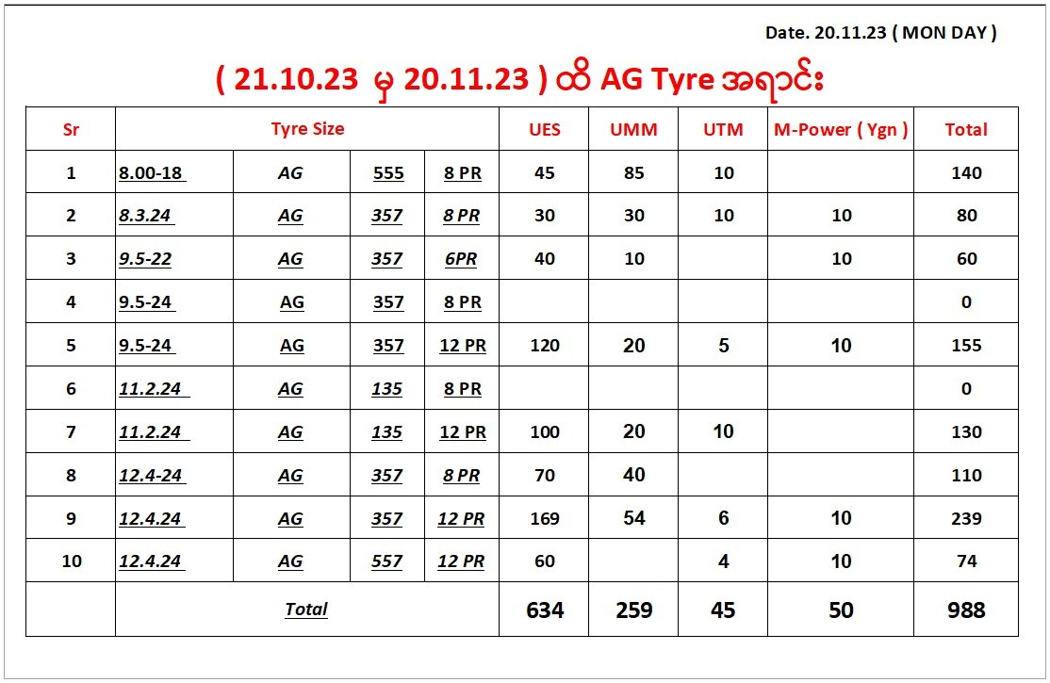
58 | 12.4-24 | 12.4 | 24 | 357 | 12 | AG | 630,500 | 63 | 280 | 634 | 239 | 1097 | 761 | 110 | 63
59 | 12.4-24 | 12.4 | 24 | 557 | 12 | AG | 630,500 | 19 | 0 | 189 | 74 | 142 | 227 | 14 | 19
 |  |  |  |  |  |  |  | 375 | 656 | 3749 | 988 | 5035 | 4500 | 504 | 375

 | Width | Diameter | Pattern | PR | 10 month | Promotion
 | 8 | 18 | 555 | 8 | 393 | 140
 | 9.5 | 22 | 357 | 6 | 223 | 60
 | 8.3 | 24 | 357 | 8 | 82 | 80
 | 9.5 | 24 | 357 | 8 | 361 | 0
 | 9.5 | 24 | 357 | 12 | 719 | 155
 | 11.2 | 24 | 135 | 8 | 548 | 0
 | 11.2 | 24 | 135 | 12 | 52 | 130
 | 12.4 | 24 | 357 | 8 | 548 | 110
 | 12.4 | 24 | 357 | 12 | 634 | 239
 | 12.4 | 24 | 557 | 12 | 189 | 74
 |  |  |  |  | 3749 | 988

MC tube analysis
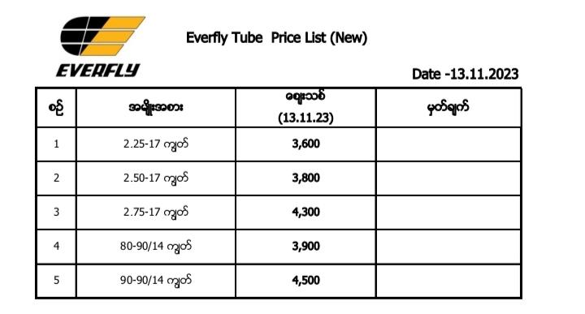
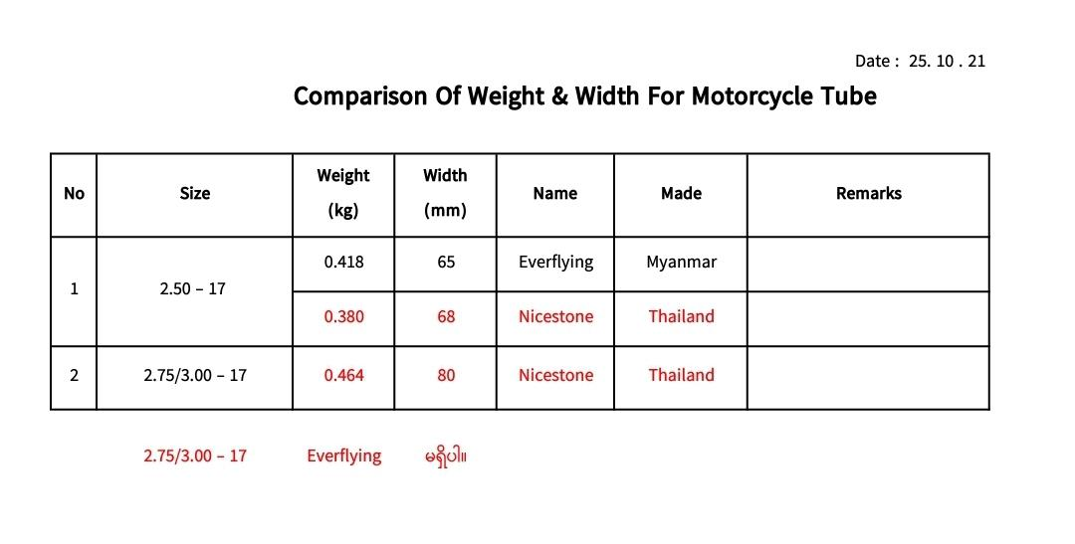

Everfly |  |  |  | Nicestone
Size | price(mmk) | weight(kg) | width(mm) | Size | price(mmk) | weight(kg) | width(mm) | price(THB)
2.25-17 | 3600 |  |  | 2.25-17 | 3065 |  |  | 30.65
2.50-17 | 3800 | 0.418 | 65 | 2.50-17 | 3198 | 0.38 | 68 | 31.98
2.75-17 | 4300 | 0.474 | 77 | 2.75-17 | 3764 | 0.464 | 80 | 37.64
80-90/14 | 3900 |  |  | 80-90/14
90-90/14 | 4500 |  |  | 90-90/14

MC distribution
 | Name |  | Nov Amount | Nov Qty | Total Amount | % |  |  | total
1 | Ko Phyo | MDY | 160,620,000 | 136,580 | 2,633,014,200 | 26.0% |  |  | MMK10,126,977,692
2 | Ko Phyo (B tyre) | MDY |  | 2,080 | 23,300,400 | 0.4%
3 | Ko Phyo | YGN | 10,710,000 | 11,720 | 226,454,000 | 2.2% |  | Ko Phyo | 171,330,000 | 150,380 | 2,882,768,600 | 29%
4 | Ko Tin Ko | MLM | 39,320,000 | 39,100 | 695,470,000 | 7.4%
5 | Ko Tin Ko | YGN | 78,220,000 | 40,670 | 805,922,000 | 7.1%
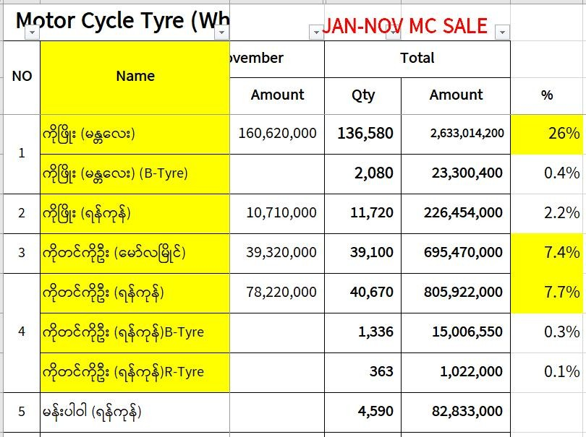
6 | Ko Tin Ko (B tyre) | YGN |  | 1,336 | 15,006,550 | 0.3%
7 | Ko Tin Ko (R Tyre) | YGN |  | 363 | 1,022,000 | 0.1% |  | Ko Tin Ko | 117,540,000 | 81,469 | 1,517,420,550 | 14.9%
8 | MANPOWER | YGN |  | 4,590 | 82,833,000 | 0.8% |  | MANPOWER |  | 4,590 | 82,833,000

 |  |  |  | Nov Amount | Nov Qty | Total amount
 |  |  | Ko Phyo | 171,330,000 | 150,380 | 2,882,768,600 | 28.6%
 |  |  | Ko Tin Ko | 117,540,000 | 81,469 | 1,517,420,550 | 14.9%
 |  |  | MANPOWER |  | 4,590 | 82,833,000 | 0.82%

